Sheet1
 |  | Document No. | Issue No. | Issue Date |  | Review and Replace Date |  | Authorised By
 |  | GFF203MC | 4 | 14.09.2020 |  | 27.10.2022 |  | Magda Shah
 |  | Document Title | DUCK SPRING ROLLS 200g

Document amendments reason for change |  | Film Updated | Page 1 of 1 |  | Previous Issue Date |  | 22.12.2021 | Uncontrolled copy unless signed original

CDSR1M-R6TEB | BOOTHS |  | DUCK SPRING ROLLS 200g

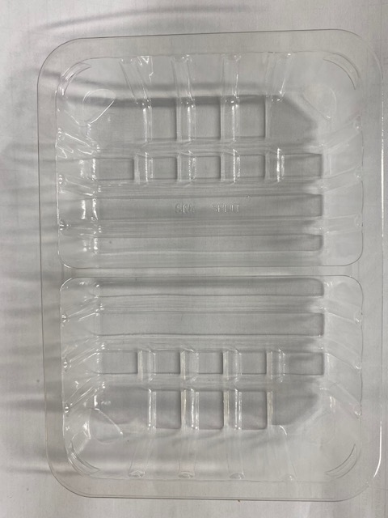 |  |  |  |  | 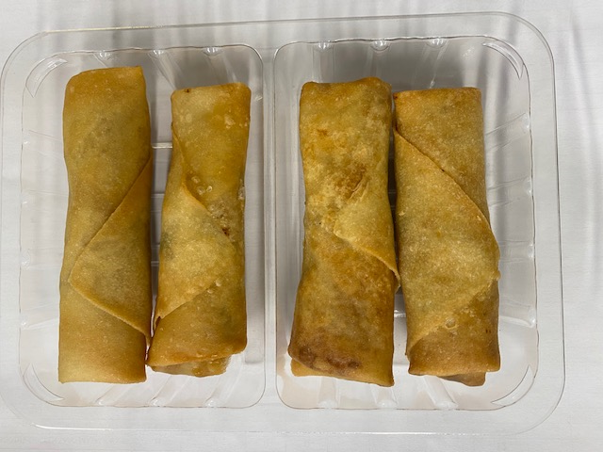

Tray: SK4 Split Clear (PKESS001-06) |  |  |  |  | Duck Spring Roll Medium 50g (GFF166R): 4 pieces
Film: K-peel 7G+25A/f-275mm (PKKMP001-03) |  |  |  |  | Total Weight: 200g
ALLERGY ALERT: SOYA, WHEAT, SESAME

